Home page
Module Code | Home page
Check Requirement
Tester | Doan Nu Thuc Oanh
Status | Pass | Fail |  | Not Run | N/A |  | Number of test case
Round test 1 | 5 | 0 |  | 0 | 0 |  | 5
Round test 2 | 5 | 0 |  | 0 | 0 |  | 5

Test Case ID | Test case Description | Pre-condition | Step | Excepted Output | Actual Output | Result |  |  | Result |  |  | Note
 |  |  |  |  |  | Round test 1 |  |  | Round test 2
 |  |  |  |  |  | Status | Test Date | Tester | Status | Test Date | Tester

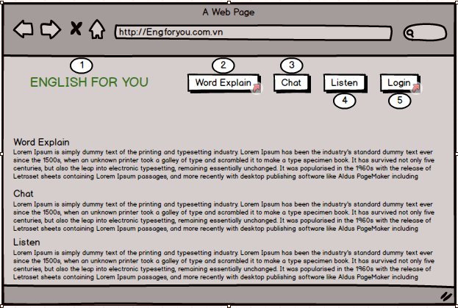
TC_01 | [Home]text |  |  |  |  | Pass | 11-Oct-2018 | Doan Nu Thuc Oanh | Pass | 15-Oct-2018 | Doan Nu Thuc Oanh

TC_02 | [Word Explain]Link |  |  |  |  | Pass | 19-Oct-2018 | Doan Nu Thuc Oanh | Pass | 20-Oct-18 | Doan Nu Thuc Oanh

TC_03 | [Chat]Link |  |  |  |  | Pass | 11-Oct-2018 | Doan Nu Thuc Oanh | Pass | 15-Oct-2018 | Doan Nu Thuc Oanh

TC_04 | [Listen]Link |  |  |  |  | Pass | 11-Oct-2018 | Doan Nu Thuc Oanh | Pass | 15-Oct-2018 | Doan Nu Thuc Oanh

TC_05 | [Login]Link |  |  |  |  | Pass | 11-Oct-2018 | Doan Nu Thuc Oanh | Pass | 15-Oct-2018 | Doan Nu Thuc Oanh

Functional Testing

Login
Module Code | Login
Check Requirement
Tester | Dinh Tran Anh Truc
Status | Pass | Fail |  | Not Run | N/A |  | Number of test case
Round test 1 | 11 | 12 |  | 0 | 0 |  | 23
Round test 2 | 11 | 12 |  | 0 | 0 |  | 23

Test Case ID | Test case Description | Pre-condition | Step | Excepted Output | Actual Output | Result |  |  | Result |  |  | Note
 |  |  |  |  |  | Round test 1 |  |  | Round test 2
 |  |  |  |  |  | Status | Test Date | Tester | Status | Test Date | Tester

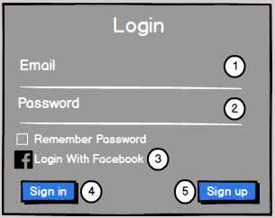
TC_01 | [Sign in with facebook]button |  |  | Alignment=left | Alignment=left | Pass | 05-Oct-2018 | Dinh Tran Anh Truc | Pass | 2018-10-11 | Dinh Tran Anh Truc
 |  |  |  | Type=“button” | Type=“button”
TC_02 | [Email ] textbox |  |  | Alignment=center,under [Sign in with Facebook] button | Alignment=center,under [Sign in with Facebook] button | Pass | 05-Oct-2018 | Dinh Tran Anh Truc | Pass | 2018-10-11 | Dinh Tran Anh Truc
 |  |  |  | Enabled | Enabled
TC_03 | [Password ] textbox |  |  | Alignment=center,under[Email]textbox | Alignment=center,under[Email]textbox | Pass | 05-Oct-2018 | Dinh Tran Anh Truc | Pass | 2018-10-11 | Dinh Tran Anh Truc
 |  |  |  | Enabled | Enabled
TC_04 | [Remember password] checkbox |  |  | Alignment=center,under[Password]textbox | Alignment=center,under[Password]textbox | Pass | 05-Oct-2018 | Dinh Tran Anh Truc | Pass | 2018-10-11 | Dinh Tran Anh Truc
 |  |  |  | Type="checkbox" | Type="checkbox"
TC_05 | [Login] button |  |  | Alignment=center,under [Keep me logged in] checkbox | Alignment=center,under [Keep me logged in] checkbox | Pass | 05-Oct-2018 | Dinh Tran Anh Truc | Pass | 2018-10-11 | Dinh Tran Anh Truc
 |  |  |  | type=“button” | type=“button”
TC_06 | [Sign up] button |  |  | Alignment=right,under [Login]button | Alignment=right,under [Login]button | Pass | 05-Oct-2018 | Dinh Tran Anh Truc | Pass | 2018-10-11 | Dinh Tran Anh Truc
 |  |  |  | type=“hyperlink” | type=“hyperlink”
Functional Testing
TC_01 | Login with facebook | Connect to internet and access E4U website | Click on [ Login with facebook ] button | Display login page of facebook | Display login page of facebook | Pass | 05-Oct-2018 | Dinh Tran Anh Truc | Pass | 11-Oct-2018 | Dinh Tran Anh Truc
TC_02 | Sigin in with facebook unreal | Connect to internet and access E4U website | Click on [ Sign in with facebook ] button | It will automatically return to the login page of Facebook | It will automatically return to the login page of Facebook | Pass | 05-Oct-2018 | Dinh Tran Anh Truc | Pass | 11-Oct-2018 | Dinh Tran Anh Truc
TC_03 | Checked successful login when the account has been registered | Connect to internet and access E4U website | 1.Enter the correct email [abc123@gmail.com] 2. Enter the correct password [fantastic123] 3. Press the login button | Display homepage FSR | Display homepage FSR | Pass | 05-Oct-2018 | Dinh Tran Anh Truc | Pass | 11-Oct-2018 | Dinh Tran Anh Truc
TC_04 | Check the notification when not entered information | Connect to internet and access E4U website | 1. Not enter email 2. Not enter a password 3. Press the login button | "Enter your email" | "Enter your email" | Fail | 05-Oct-2018 | Dinh Tran Anh Truc | Fail | 11-Oct-2018 | Dinh Tran Anh Truc
TC_05 | Check the notification when not entered information | Connect to internet and access E4U website | 1.Enter the correct email [abc123@gmail.com] 2. Not enter a password 3. Press the login button | "Enter your password" | "Enter your password" | Fail | 05-Oct-2018 | Dinh Tran Anh Truc | Fail | 11-Oct-2018 | Dinh Tran Anh Truc
TC_06 | Check the notification when not entered information | Connect to internet and access E4U website | 1. Not enter email 2. Enter the correct password [fantastic123] 3. Press the login button | "Enter your email" | "Enter your email" | Fail | 05-Oct-2018 | Dinh Tran Anh Truc | Fail | 11-Oct-2018 | Dinh Tran Anh Truc
TC_07 | Type the correct login form, but the account does not exist. | Connect to internet and access E4U website | 1.Enter the correct email [thuychau1263@gmail.com] 2. Enter the correct password [Thuychau@123] 3. Press the login button | "We cannot find an account with that email address" | "We cannot find an account with that email address" | Fail | 05-Oct-2018 | Dinh Tran Anh Truc | Fail | 11-Oct-2018 | Dinh Tran Anh Truc
TC_08 | Log in with the old password after changing the new password. | Connect to internet and access E4U website | 1.Enter the correct email [abc123@gmail.com] 2. Enter the old password [fantastic123] 3. Press the login button | "Your password is incorrect!" | "Your password is incorrect!" | Fail |  | Dinh Tran Anh Truc | Fail | 2017-10-05 | Dinh Tran Anh Truc
TC_09 | Login with a new password after changing your password | Connect to internet and access E4U website | 1.Enter the correct email [abc123@gmail.com] 2. Enter the new password [hahahihi@123] 3. Press the login button | Display homepage FSR. | Display homepage FSR. | Pass | 05-Oct-2018 | Dinh Tran Anh Truc | Pass | 2017-10-05 | Dinh Tran Anh Truc
TC_10 | Check the checkbox "Remember password" | Connect to internet and access E4U website | 1.Enter the correct email and password 2. Select the checkbox 3.Click login 4. Turn off the entire website window 5. Enter the correct address to reopen the site | Display homepage FSR. | Display homepage FSR. | Pass | 05-Oct-2018 | Dinh Tran Anh Truc | Pass | 2017-10-05 | Dinh Tran Anh Truc
TC_11 | Check unsuccessfully when Diners enter missing '@' in [Email] textbox and enter vaild [Password] textbox. | Connect to internet and access E4U website | 1.Enter the incorrect email [abc123] 2. Enter the correct password [fantastic123] 3. Press the login button | "Please include @ in the email address "thaosuong1599" is missing @" | "Please include @ in the email address "thaosuong1599" is missing @" | Fail | 05-Oct-2018 | Dinh Tran Anh Truc | Fail | 11-Oct-2018 | Dinh Tran Anh Truc
TC_12 | Missing field after "@" in email | Connect to internet and access E4U website | 1.Enter the incorrect email [abc123@gmail.com] 2. Enter the correct password [fantastic123] 3. Press the login button | "Please enter the following after @. "thaosuong1599" is not complete" | "Please enter the following after @. "thaosuong1599" is not complete" | Fail | 05-Oct-2018 | Dinh Tran Anh Truc | Fail | 11-Oct-2018 | Dinh Tran Anh Truc
TC_13 | Wrong email | Connect to internet and access E4U website | 1.Enter the incorrect email [sadcf@gg] 2. Enter the correct password [fantastic123] 3. Press the login button | "Email address is not valid" | "Email address is not valid" | Fail | 05-Oct-2018 | Dinh Tran Anh Truc | Fail | 2017-10-05 | Dinh Tran Anh Truc
TC_14 | Wrong email | Connect to internet and access E4U website | 1.Enter the incorrect email [thaosuong1599@gmail.vn] 2. Enter the correct password [fantastic123] 3. Press the login button | "We cannot find an account with that email address" | "We cannot find an account with that email address" | Fail |  | Dinh Tran Anh Truc | Fail | 2017-10-05 | Dinh Tran Anh Truc
TC_15 | Wrong email | Connect to internet and access E4U website | 1.Enter the incorrect email [abc~123@gmail.vn] 2. Enter the correct password [fantastic123] 3. Press the login button | "We cannot find an account with that email address" | "We cannot find an account with that email address" | Fail | 05-Oct-2018 | Dinh Tran Anh Truc | Fail | 2017-10-05 | Dinh Tran Anh Truc
TC_16 | Check unsuccessfully when Diners enter more than sixteen characters in [Password] textbox. | Connect to internet and access E4U website | 1. Enter data at [Email or phone] textbox: "bcd234@gmail.com" 2. Enter data in [Password] textbox: “1234565545sdf3534sdfd” 3. Click on [Login] button | "Your password is incorrect!" | "Your password is incorrect!" | Fail | 05-Oct-2018 | Dinh Tran Anh Truc | Fail | 11-Oct-2018 | Dinh Tran Anh Truc
TC_17 | Check unsuccessfully when Diners enter space in [Password] textbox. | Connect to internet and access E4U website | 1. Enter data at [Email or Phone] textbox: "hoanhvu@gmail.com" 2. Enter data in [Password] textbox: “ ” 3. Click on [Login] button | "Enter your password" | "Enter your password" | Fail | 05-Oct-2018 | Dinh Tran Anh Truc | Fail | 11-Oct-2018 | Dinh Tran Anh Truc

Waiting page
Module Code | Waiting Page
Check Requirement
Tester | Dinh Tran Anh Truc
Status | Pass | Fail |  | Not Run | N/A |  | Number of test case
Round test 1 | 2 | 1 |  | 0 | 0 |  | 3
Round test 2 | 2 | 1 |  | 0 | 0 |  | 3

Test Case ID | Test case Description | Pre-condition | Step | Excepted Output | Actual Output | Result |  |  | Result |  |  | Note
 |  |  |  |  |  | Round test 1 |  |  | Round test 2
 |  |  |  |  |  | Status | Test Date | Tester | Status | Test Date | Tester

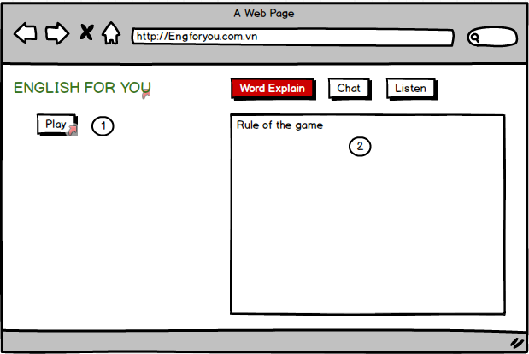
TC_01 | [Play]Button | Connect to internet and access E4U website |  |  |  | Pass | 07-Oct-2018 | Dinh Tran Anh Truc | Pass | 10-Oct-2018 | Dinh Tran Anh Truc
TC_02 | [Rule of the game]Text | Connect to internet and access E4U website |  |  |  | Pass | 07-Oct-2018 | Dinh Tran Anh Truc | Pass | 10-Oct-2018 | Dinh Tran Anh Truc
Functional Testing
TC_01 | Connect with other Plaer | Connect to internet and access E4U website | 1. login Success 2.Click [word explain]button 3.Click [Play]button | Display Time of connect | Error | Fail | 07-Oct-2018 | Dinh Tran Anh Truc | Fail | 10-Oct-2018 | Dinh Tran Anh Truc

Chat form
Module Code | ChatForm
Check Requirement
Tester | Doan Nu Thuc Oanh
Status | Pass | Fail |  | Not Run | N/A |  | Number of test case
Round test 1 | 9 | 6 |  | 0 | 0 |  | 15
Round test 2 | 9 | 6 |  | 0 | 0 |  | 15

Test Case ID | Test case Description | Pre-condition | Step | Excepted Output | Actual Output | Result |  |  | Result |  |  | Note
 |  |  |  |  |  | Round test 1 |  |  | Round test 2
 |  |  |  |  |  | Status | Test Date | Tester | Status | Test Date | Tester

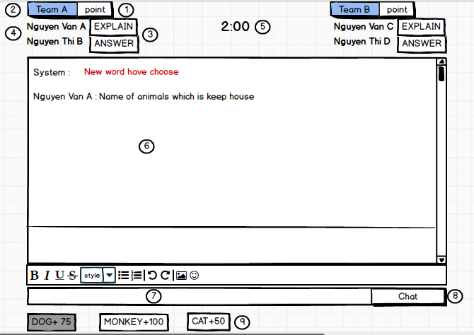
TC_01 | [Point]Label |  |  | Alignment=left,top [Point] Label | Alignment=left,top [Point] Label | Pass | 12-Oct-2018 | Doan Nu Thuc Oanh | Pass | 2018-10-15 | Doan Nu Thuc Oanh
 |  |  |  | type="label" | type="label"
TC_02 | [Name of team]Label |  |  | Alignment=left,top [Point] Label | Alignment=left,top [Point] Label | Pass | 12-Oct-2018 | Doan Nu Thuc Oanh | Pass | 2018-10-15 | Doan Nu Thuc Oanh
 |  |  |  | type="label" | type="label"
TC_03 | [Turn of Explainer or Answer]Label |  |  | Alignment=left,top [Point] Label | Alignment=left,top [Point] Label | Pass | 12-Oct-2018 | Doan Nu Thuc Oanh | Pass | 2018-10-15 | Doan Nu Thuc Oanh
 |  |  |  | type="label" | type="label"
TC_04 | [Name of player]Label |  |  | Alignment=left,top [Point] Label | Alignment=left,top [Point] Label | Pass | 12-Oct-2018 | Doan Nu Thuc Oanh | Pass | 2018-10-15 | Doan Nu Thuc Oanh
 |  |  |  | type="label" | type="label"
TC_05 | [Play time]Time |  |  | Alignment=left,top [Point] Label | Alignment=left,top [Point] Label | Pass | 12-Oct-2018 | Doan Nu Thuc Oanh | Pass | 2018-10-15 | Doan Nu Thuc Oanh
 |  |  |  | type="label" | type="label"
TC_06 | [Explainations and Answers of the player chat]Text |  |  | Alignment=left,top [Point] Label | Alignment=left,top [Point] Label | Pass | 12-Oct-2018 | Doan Nu Thuc Oanh | Pass | 2018-10-15 | Doan Nu Thuc Oanh
 |  |  |  | type="label" | type="label"
TC_07 | [Chat box]Textboxt |  |  | Alignment=left,top [Point] Label | Alignment=left,top [Point] Label | Pass | 12-Oct-2018 | Doan Nu Thuc Oanh | Pass | 2018-10-15 | Doan Nu Thuc Oanh
 |  |  |  | type="label" | type="label"
TC_08 | [Chat]Button |  |  | Alignment=left,top [Point] Label | Alignment=left,top [Point] Label | Pass | 12-Oct-2018 | Doan Nu Thuc Oanh | Pass | 2018-10-15 | Doan Nu Thuc Oanh
 |  |  |  | type="label" | type="label"
TC_09 | [Keyword]Button |  |  | Alignment=left,top [Point] Label | Alignment=left,top [Point] Label | Pass | 12-Oct-2018 | Doan Nu Thuc Oanh | Pass | 2018-10-15 | Doan Nu Thuc Oanh
 |  |  |  | type="label" | type="label"
Functional Testing
TC_01 | Enter less than 100 characters | Connect to internet and access E4U website | 1. Enter explanation less than 100 characters. 2. Click [Chat] | Display explanation on the chat form. | Error | Fail | 12-Oct-2018 | Doan Nu Thuc Oanh | Fail | 2018-10-17 | Doan Nu Thuc Oanh
TC_02 | Enter exactly 100 characters | Connect to internet and access E4U website | 1. Enter explanation exactly 100 characters. 2. Click [Chat] | Display explanation on the chat form. | Error | Fail | 12-Oct-2018 | Doan Nu Thuc Oanh | Fail | 2018-10-17 | Doan Nu Thuc Oanh
TC_03 | Enter more than 100 characters | Connect to internet and access E4U website | 1. Enter explanation more than 100 characters. 2. Click [Chat] | Display messsage board: "You can only enter up to 100 characters!" | Error | Fail | 12-Oct-2018 | Doan Nu Thuc Oanh | Fail | 2018-10-17 | Doan Nu Thuc Oanh
TC_04 | Explanatory sentences containing keywords | Connect to internet and access E4U website | 1. Enter explanation containing keywords. 2. Click [Chat] | Display explanation with keyword is coded | Error | Fail | 12-Oct-2018 | Doan Nu Thuc Oanh | Fail | 2018-10-17 | Doan Nu Thuc Oanh
TC_05 | Enter when not turn | Connect to internet and access E4U website | 1. Enter explanation less than or exactly 100 characters. 2. Click [Chat] | Display messsage board: "Not your turn!" | Error | Fail | 12-Oct-2018 | Doan Nu Thuc Oanh | Fail | 2018-10-17 | Doan Nu Thuc Oanh
TC_06 | The player is entering the time out | Connect to internet and access E4U website | 1. Enter explanation less than 100 characters. 2. Click [Chat] | Display messsage board: "Time up!" | Error | Fail | 12-Oct-2018 | Doan Nu Thuc Oanh | Fail | 2018-10-17 | Doan Nu Thuc Oanh

